S-N Curve
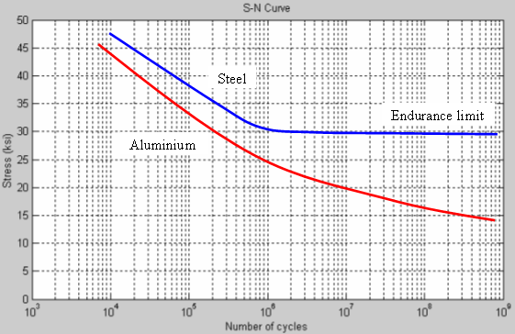
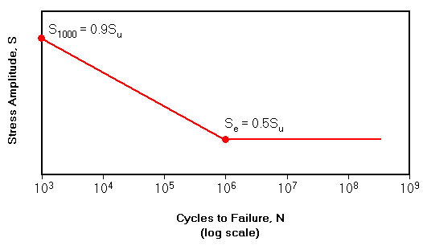

Stress Amplitude, S

0

ASME Div 2 Master S-N Curve for Welded Pipe & Plate Joints

